Sheet1
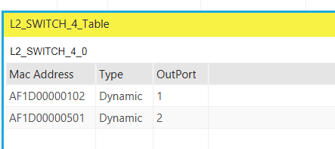
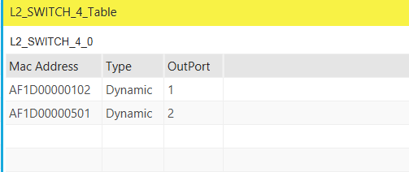
 |  |  | Interface 1 |  | Interface 2
 |  | Node | IP Address | Physical Addr | IP Address | Physical Addr
 |  | WiredNode5 | 11.2.1.2 | AF1D00000501
 |  | WirelessNode6 | 11.3.1.2 | AF1D00000601
 |  | Router1 | 11.1.1.1 | AF1D00000101 | 11.2.1.1 | AF1D00000102
 |  | Router2 | 11.1.1.2 | AF1D00000201 | 11.3.1.1 | AF1D00000202
 |  | L2 Switch | - | AF1D00000401 | - | AF1D00000402
 |  | Access Point | - | AF1D00000301 |  | AF1D00000302

 |  |  | Packets Received | Packets Transmitted | Packets Collided | Packets Errored | Packets Lost | Throughput(Mbps) | Ratio Packet received to Packet Transmitted | Ratio of packets that are received in error to the packets transmitted | Ratio of packets that have collided to the packets transmitted | payload | header | payload / packets | headers/packets
Exp | 100Mbps | X->Y | 19110 | 19117 | 2 | 5 | 7 | 0.5893 | 0.99963383376 | 0.00026154731391 | 0.00010461892556 | 7376027 | 1066148 | 385.83600983 | 55.769629126
 |  | Y->X | 18946 | 18956 | 3 | 7 | 10 | 0.5893 | 0.99947246254 | 0.00036927621861 | 0.00015826123655 | 7234957 | 1055579 | 381.6710804 | 55.685745938
 | 1Gbps | Y->X | 18098 | 18107 | 2 | 7 | 9 | 0.5893 | 0.99950295466 | 0.00038659082123 | 0.00011045452035 | 6927520 | 1012429 | 382.58794941 | 55.913679792
 | 1Gbps | X->Y | 19097 | 19104 | 2 | 5 | 7 | 0.5893 | 0.99963358459 | 0.00026172529313 | 0.00010469011725 | 7370473 | 1064257 | 385.80784129 | 55.708595059
Const | 100Mbps | X->Y | 12046 | 12051 | 1 | 4 | 5 | 0.584 | 0.99958509667 | 0.00033192266202 | 8.2980665505E-05 | 7310220 | 672998 | 606.60692059 | 55.845821923

 |  |  |  |  | payload network | payload mac layer | payload physical
 |  |  |  |  | 1480 | 1500 | 1526

 |  |  |  |  | header | header
 |  |  |  |  | 20 | 26

Protocols

X --> L2_switch | Ethernet
L2_switch -> Router_1 | Ethernet
Router_1 --> Router_2 | Point_to_Point
Router_2 --> Access_point | Ethernet
Access_point --> Y | IEEE802.11

